Location Plan & Summary
Intelligent Data Collection Limited

Client: | Bristol City Council |  |  | Date of Survey: |  | 09.07.2015
Project Number: | ID02343 |  |  | Site Name: |  | Bannerman Road
Site Number: | ANPR Site 25 |  |  | Survey Type: |  | Two-way Link Count

X Coordinate |  | Y Coordinate |  |  | Google Maps Link
51.465226 |  | -2.564836 |  |  | Click Here
AM Peak Conditions |  | Inter-Peak Conditions |  |  | PM Peak Conditions
Clear and Sunny |  | Clear and Sunny |  |  | Clear and Sunny
Junction Layout

N
 |  |  |  |  |  | Arm B - Bannerman Road (N)

 |  |  | Arm A - All Hallows Road (S)

Aerial Mapping and On-site Camera View
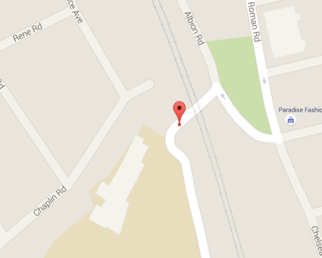

Arm A - All Hallows Road (S)

Arm B - Bannerman Road (N)

Junction Flow Profile
Arm Approach Flows (All Vehicles)
 | A to B (Northbound) | B to A (Southbound) | Two-way Total
7:00:00 | 1 | 5 | 6
7:15:00 | 1 | 9 | 10
7:30:00 | 2 | 9 | 11
7:45:00 | 5 | 17 | 22
8:00:00 | 8 | 20 | 28
8:15:00 | 5 | 19 | 24
8:30:00 | 13 | 41 | 54
8:45:00 | 15 | 32 | 47
9:00:00 | 7 | 21 | 28
9:15:00 | 7 | 8 | 15
9:30:00 | 3 | 5 | 8
9:45:00 | 13 | 10 | 23
10:00:00 | 6 | 6 | 12
10:15:00 | 5 | 10 | 15
10:30:00 | 4 | 8 | 12
10:45:00 | 6 | 8 | 14
11:00:00 | 3 | 9 | 12
11:15:00 | 7 | 7 | 14
11:30:00 | 7 | 9 | 16
11:45:00 | 10 | 16 | 26
12:00:00 | 8 | 18 | 26
12:15:00 | 11 | 18 | 29
12:30:00 | 4 | 11 | 15
12:45:00 | 7 | 5 | 12
13:00:00 | 12 | 12 | 24
13:15:00 | 7 | 8 | 15
13:30:00 | 11 | 13 | 24
13:45:00 | 8 | 9 | 17
14:00:00 | 9 | 9 | 18
14:15:00 | 7 | 13 | 20
14:30:00 | 7 | 13 | 20
14:45:00 | 7 | 18 | 25
15:00:00 | 18 | 12 | 30
15:15:00 | 14 | 10 | 24
15:30:00 | 19 | 22 | 41
15:45:00 | 8 | 15 | 23
16:00:00 | 8 | 10 | 18
16:15:00 | 11 | 15 | 26
16:30:00 | 16 | 12 | 28
16:45:00 | 13 | 13 | 26
17:00:00 | 16 | 12 | 28
17:15:00 | 14 | 13 | 27
17:30:00 | 12 | 15 | 27
17:45:00 | 8 | 12 | 20
18:00:00 | 10 | 9 | 19
18:15:00 | 12 | 14 | 26
18:30:00 | 11 | 11 | 22
18:45:00 | 7 | 9 | 16

Additional Notes (Factors which may impact on survey results such as accidents, roadworks, special events):

